Rates Calculator
Ordinary Rate Increase Calculator

Please enter the details below for the Ordinary Rate shown on your 2023/24 Rate Notice.

Ordinary Rate Category Type: |  |  | Residential |  | select your Rate Category Type - Residential, Business or Farmland.

Location: |  |  | Tamworth |  | select your location or not applicable for farmland.

Rateable Value: |  |  | 100,000 |  | 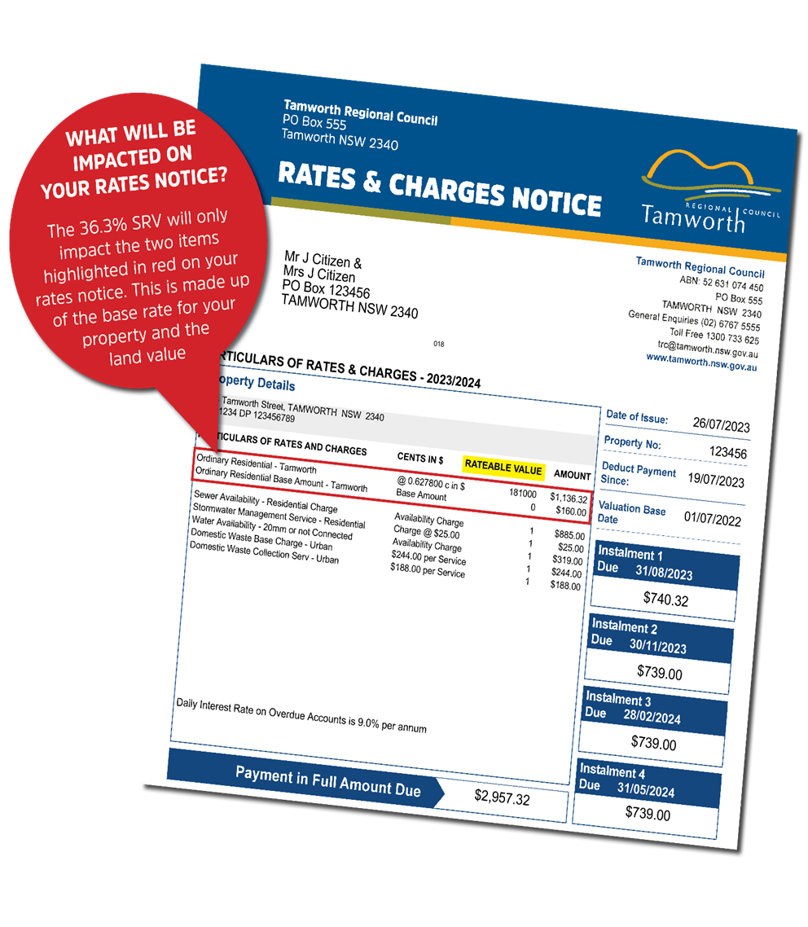 type in your rateable value from your Rates & Charges notice.

Year 1 - 2024/25 Proposed 18.5% Increase
Ordinary Rate Description | Ordinary Rates for 2023/24 | Amount of annual increase to 2024/25 Ordinary Rates
 |  | Proposed 18.5% Increase | Increase Amount | Weekly Increase
Ad Valorem (c in $) | $627.80 | $759.72
Base Amount | $160.00 | $160.00
TOTAL | $787.80 | $919.72 | $131.92 | $2.54

Year 2 - 2025/26 Proposed 15.0% Increase
Ordinary Rate Description | Ordinary Rates for 2024/25 | Amount of annual increase to 2025/26 Ordinary Rates
 |  | Proposed 15.0% Increase | Increase Amount | Weekly Increase
Ad Valorem (c in $) | $759.72 | $886.48
Base Amount | $160.00 | $160.00
TOTAL | $919.72 | $1,046.48 | $126.75 | $2.44

Summary - Cumulative 36.3% Increase
Ordinary Rate Description | Ordinary Rates for 2023/24 | Amount of annual increase to Ordinary Rates
 |  | Ordinary Rates for 2024/25 - 18.5% Increase | Ordinary Rates for 2025/26 - 15.0% Increase | 2 year Overall Increase
Ad Valorem (c in $) | $627.80 | $759.72 | $886.48 | $131.92
Base Amount | $160.00 | $160.00 | $160.00 | $126.75
TOTAL | $787.80 | $919.72 | $1,046.48 | $258.68

Note: This rate calculator is an estimate only of how the special rate variation could affect your property – it does not calculate any water, sewerage or waste charges.

